IPAT
 | Key Drivers Spreadsheet, IPAT tab |  |  | 2021-12-29
IPAT Charts |  |  |  | Integration Analysis Technical Supplement, Section I, Annex 2: Key Drivers and Outputs
Charts showing Population, GSP, Energy Intensity per Capita, Energy Intensity per GSP, GHG Intensity per Capita, GHG Intensity per GSP, for the reference case and Scenarios 2-4
Note: 2020 is a modeled year, reflecting historical trends.

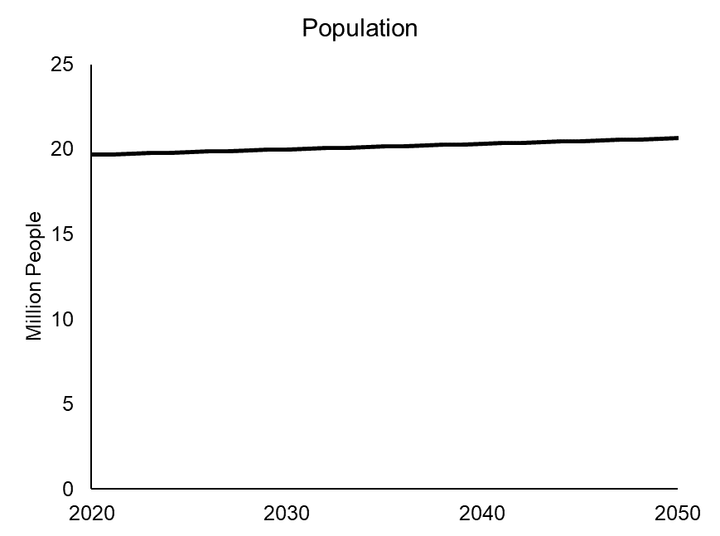
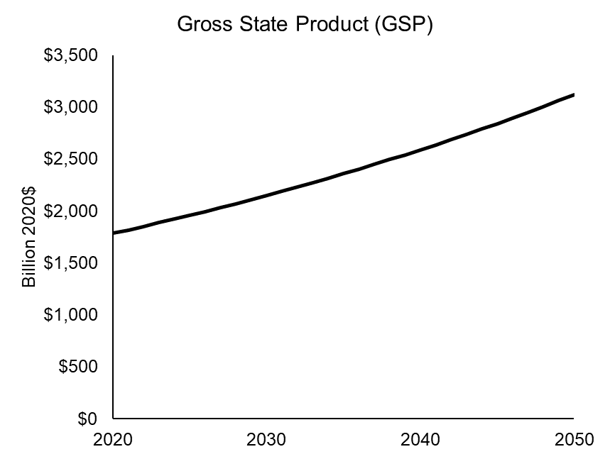
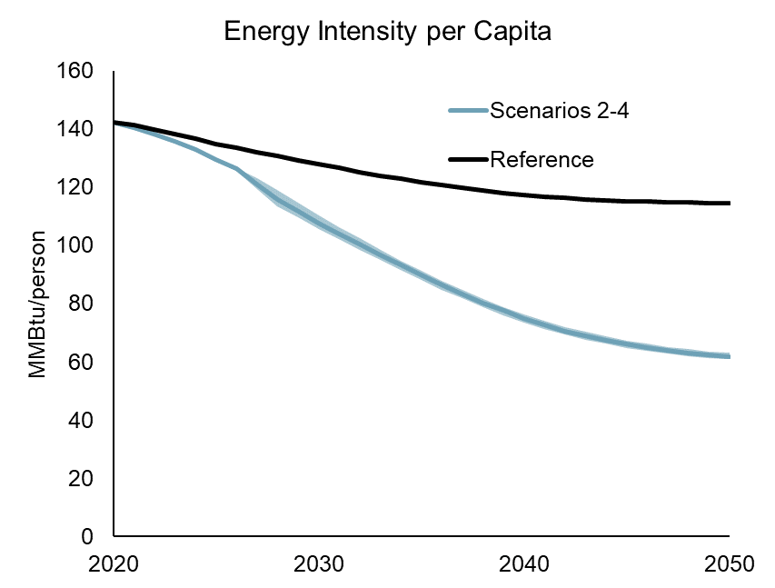
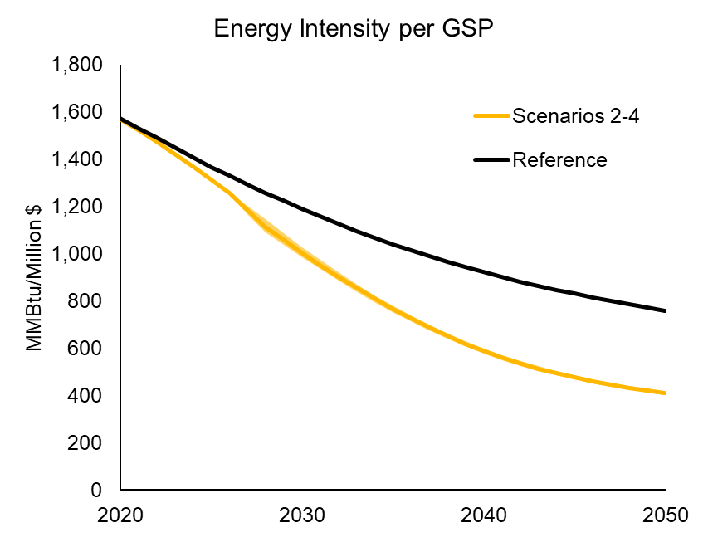
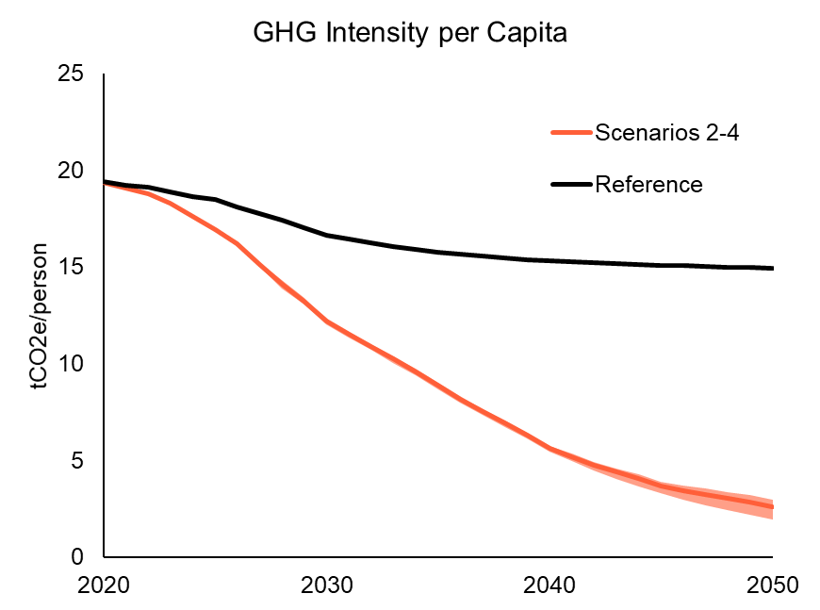
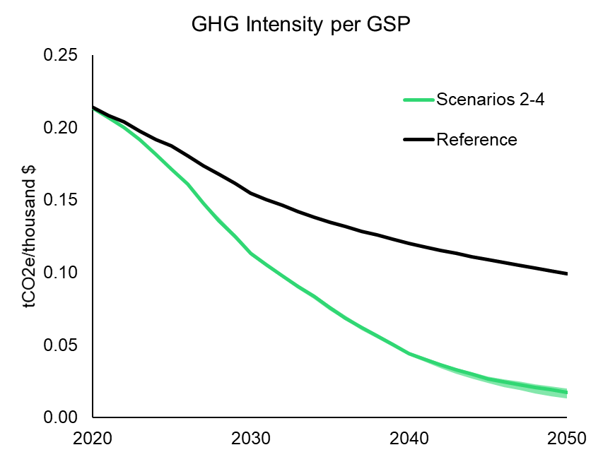

 | Key Drivers Metrics
 | Category | Units | 2018 | 2019 | 2020 | 2021 | 2022 | 2023 | 2024 | 2025 | 2026 | 2027 | 2028 | 2029 | 2030 | 2031 | 2032 | 2033 | 2034 | 2035 | 2036 | 2037 | 2038 | 2039 | 2040 | 2041 | 2042 | 2043 | 2044 | 2045 | 2046 | 2047 | 2048 | 2049 | 2050
 | Population | Million People | 19.62 | 19.65 | 19.68 | 19.71 | 19.74 | 19.77 | 19.80 | 19.83 | 19.87 | 19.90 | 19.93 | 19.96 | 19.99 | 20.03 | 20.06 | 20.09 | 20.12 | 20.15 | 20.19 | 20.22 | 20.25 | 20.29 | 20.32 | 20.35 | 20.39 | 20.42 | 20.45 | 20.49 | 20.52 | 20.56 | 20.59 | 20.62 | 20.66
 | GSP | Billion 2019$ |  |  | 1,784 | 1,817 | 1,852 | 1,886 | 1,922 | 1,958 | 1,995 | 2,032 | 2,070 | 2,109 | 2,149 | 2,189 | 2,230 | 2,272 | 2,315 | 2,359 | 2,403 | 2,448 | 2,494 | 2,541 | 2,589 | 2,637 | 2,687 | 2,737 | 2,789 | 2,841 | 2,894 | 2,949 | 3,004 | 3,061 | 3,118

 | Gross GHG Emissions
 | Scenario | Units | 2018 | 2019 | 2020 | 2021 | 2022 | 2023 | 2024 | 2025 | 2026 | 2027 | 2028 | 2029 | 2030 | 2031 | 2032 | 2033 | 2034 | 2035 | 2036 | 2037 | 2038 | 2039 | 2040 | 2041 | 2042 | 2043 | 2044 | 2045 | 2046 | 2047 | 2048 | 2049 | 2050
 | Reference | MMT CO2e | 384 | 384 | 382 | 379 | 377 | 373 | 369 | 367 | 360 | 353 | 347 | 340 | 333 | 329 | 326 | 323 | 320 | 317 | 316 | 315 | 313 | 312 | 311 | 311 | 310 | 310 | 309 | 309 | 309 | 309 | 309 | 309 | 309
 | Scenario 2 | MMT CO2e | 384 | 384 | 382 | 376 | 370 | 361 | 347 | 334 | 320 | 303 | 286 | 267 | 245 | 232 | 219 | 206 | 193 | 179 | 165 | 152 | 141 | 129 | 116 | 108 | 100 | 93 | 87 | 79 | 75 | 72 | 68 | 65 | 60
 | Scenario 3 | MMT CO2e | 384 | 384 | 381 | 376 | 371 | 363 | 350 | 338 | 324 | 301 | 280 | 265 | 245 | 233 | 221 | 208 | 196 | 182 | 168 | 155 | 143 | 130 | 117 | 109 | 100 | 93 | 87 | 80 | 76 | 72 | 69 | 66 | 61
 | Scenario 4 | MMT CO2e | 384 | 384 | 382 | 376 | 370 | 362 | 348 | 335 | 321 | 298 | 277 | 260 | 240 | 227 | 215 | 202 | 189 | 175 | 161 | 148 | 136 | 124 | 111 | 101 | 91 | 82 | 74 | 67 | 61 | 55 | 50 | 44 | 40

 | Final Energy Demand
 | Scenario | Units | 2018 | 2019 | 2020 | 2021 | 2022 | 2023 | 2024 | 2025 | 2026 | 2027 | 2028 | 2029 | 2030 | 2031 | 2032 | 2033 | 2034 | 2035 | 2036 | 2037 | 2038 | 2039 | 2040 | 2041 | 2042 | 2043 | 2044 | 2045 | 2046 | 2047 | 2048 | 2049 | 2050
 | Reference | Tbtu | 2,824 | 2,813 | 2,803 | 2,784 | 2,761 | 2,736 | 2,708 | 2,676 | 2,653 | 2,629 | 2,605 | 2,581 | 2,557 | 2,534 | 2,513 | 2,492 | 2,472 | 2,454 | 2,437 | 2,421 | 2,408 | 2,396 | 2,386 | 2,378 | 2,371 | 2,367 | 2,364 | 2,362 | 2,361 | 2,361 | 2,362 | 2,364 | 2,366
 | Scenario 2 | Tbtu | 2,824 | 2,813 | 2,802 | 2,770 | 2,731 | 2,686 | 2,634 | 2,575 | 2,515 | 2,447 | 2,371 | 2,291 | 2,205 | 2,129 | 2,054 | 1,981 | 1,909 | 1,839 | 1,774 | 1,712 | 1,654 | 1,600 | 1,551 | 1,507 | 1,468 | 1,434 | 1,405 | 1,380 | 1,359 | 1,340 | 1,324 | 1,312 | 1,303
 | Scenario 3 | Tbtu | 2,824 | 2,813 | 2,802 | 2,770 | 2,731 | 2,686 | 2,634 | 2,575 | 2,516 | 2,399 | 2,286 | 2,219 | 2,144 | 2,078 | 2,011 | 1,944 | 1,878 | 1,812 | 1,749 | 1,688 | 1,630 | 1,575 | 1,525 | 1,480 | 1,440 | 1,406 | 1,376 | 1,351 | 1,329 | 1,310 | 1,294 | 1,282 | 1,272
 | Scenario 4 | Tbtu | 2,824 | 2,813 | 2,802 | 2,770 | 2,727 | 2,677 | 2,621 | 2,557 | 2,494 | 2,375 | 2,260 | 2,190 | 2,113 | 2,045 | 1,976 | 1,908 | 1,840 | 1,774 | 1,713 | 1,654 | 1,598 | 1,545 | 1,496 | 1,453 | 1,415 | 1,382 | 1,354 | 1,330 | 1,309 | 1,292 | 1,277 | 1,267 | 1,258

 | Energy Intensity Per Capita
 | Scenario | Units | 2018 | 2019 | 2020 | 2021 | 2022 | 2023 | 2024 | 2025 | 2026 | 2027 | 2028 | 2029 | 2030 | 2031 | 2032 | 2033 | 2034 | 2035 | 2036 | 2037 | 2038 | 2039 | 2040 | 2041 | 2042 | 2043 | 2044 | 2045 | 2046 | 2047 | 2048 | 2049 | 2050
 | Reference | MMBtu/person | 144 | 143 | 142 | 141 | 140 | 138 | 137 | 135 | 134 | 132 | 131 | 129 | 128 | 127 | 125 | 124 | 123 | 122 | 121 | 120 | 119 | 118 | 117 | 117 | 116 | 116 | 116 | 115 | 115 | 115 | 115 | 115 | 115
 | Scenario 2 | MMBtu/person | 144 | 143 | 142 | 141 | 138 | 136 | 133 | 130 | 127 | 123 | 119 | 115 | 110 | 106 | 102 | 99 | 95 | 91 | 88 | 85 | 82 | 79 | 76 | 74 | 72 | 70 | 69 | 67 | 66 | 65 | 64 | 64 | 63
 | Scenario 3 | MMBtu/person | 144 | 143 | 142 | 141 | 138 | 136 | 133 | 130 | 127 | 121 | 115 | 111 | 107 | 104 | 100 | 97 | 93 | 90 | 87 | 83 | 80 | 78 | 75 | 73 | 71 | 69 | 67 | 66 | 65 | 64 | 63 | 62 | 62
 | Scenario 4 | MMBtu/person | 144 | 143 | 142 | 141 | 138 | 135 | 132 | 129 | 126 | 119 | 113 | 110 | 106 | 102 | 99 | 95 | 91 | 88 | 85 | 82 | 79 | 76 | 74 | 71 | 69 | 68 | 66 | 65 | 64 | 63 | 62 | 61 | 61

 | Energy Intensity Per GSP
 | Scenario | Units | 2018 | 2019 | 2020 | 2021 | 2022 | 2023 | 2024 | 2025 | 2026 | 2027 | 2028 | 2029 | 2030 | 2031 | 2032 | 2033 | 2034 | 2035 | 2036 | 2037 | 2038 | 2039 | 2040 | 2041 | 2042 | 2043 | 2044 | 2045 | 2046 | 2047 | 2048 | 2049 | 2050
 | Reference | MMBtu/Million $ |  |  | 1,571 | 1,532 | 1,491 | 1,450 | 1,409 | 1,367 | 1,330 | 1,294 | 1,258 | 1,224 | 1,190 | 1,158 | 1,127 | 1,097 | 1,068 | 1,040 | 1,014 | 989 | 965 | 943 | 922 | 902 | 883 | 865 | 848 | 831 | 816 | 801 | 786 | 772 | 759
 | Scenario 2 | MMBtu/Million $ |  |  | 1,571 | 1,524 | 1,475 | 1,424 | 1,371 | 1,315 | 1,261 | 1,204 | 1,145 | 1,086 | 1,026 | 973 | 921 | 872 | 825 | 780 | 738 | 700 | 663 | 630 | 599 | 571 | 546 | 524 | 504 | 486 | 469 | 455 | 441 | 429 | 418
 | Scenario 3 | MMBtu/Million $ |  |  | 1,571 | 1,524 | 1,475 | 1,424 | 1,371 | 1,315 | 1,261 | 1,181 | 1,104 | 1,052 | 998 | 949 | 902 | 856 | 811 | 768 | 728 | 690 | 653 | 620 | 589 | 561 | 536 | 514 | 493 | 475 | 459 | 444 | 431 | 419 | 408
 | Scenario 4 | MMBtu/Million $ |  |  | 1,571 | 1,524 | 1,473 | 1,419 | 1,364 | 1,306 | 1,250 | 1,169 | 1,091 | 1,038 | 983 | 934 | 886 | 840 | 795 | 752 | 713 | 676 | 641 | 608 | 578 | 551 | 526 | 505 | 485 | 468 | 452 | 438 | 425 | 414 | 403

 | GHG Intensity per Capita
 | Scenario | Units | 2018 | 2019 | 2020 | 2021 | 2022 | 2023 | 2024 | 2025 | 2026 | 2027 | 2028 | 2029 | 2030 | 2031 | 2032 | 2033 | 2034 | 2035 | 2036 | 2037 | 2038 | 2039 | 2040 | 2041 | 2042 | 2043 | 2044 | 2045 | 2046 | 2047 | 2048 | 2049 | 2050
 | Reference | tCO2e/person | 20 | 20 | 19 | 19 | 19 | 19 | 19 | 18 | 18 | 18 | 17 | 17 | 17 | 16 | 16 | 16 | 16 | 16 | 16 | 16 | 15 | 15 | 15 | 15 | 15 | 15 | 15 | 15 | 15 | 15 | 15 | 15 | 15
 | Scenario 2 | tCO2e/person | 20 | 20 | 19 | 19 | 19 | 18 | 18 | 17 | 16 | 15 | 14 | 13 | 12 | 12 | 11 | 10 | 10 | 9 | 8 | 8 | 7 | 6 | 6 | 5 | 5 | 5 | 4 | 4 | 4 | 4 | 3 | 3 | 3
 | Scenario 3 | tCO2e/person | 20 | 20 | 19 | 19 | 19 | 18 | 18 | 17 | 16 | 15 | 14 | 13 | 12 | 12 | 11 | 10 | 10 | 9 | 8 | 8 | 7 | 6 | 6 | 5 | 5 | 5 | 4 | 4 | 4 | 4 | 3 | 3 | 3
 | Scenario 4 | tCO2e/person | 20 | 20 | 19 | 19 | 19 | 18 | 18 | 17 | 16 | 15 | 14 | 13 | 12 | 11 | 11 | 10 | 9 | 9 | 8 | 7 | 7 | 6 | 5 | 5 | 4 | 4 | 4 | 3 | 3 | 3 | 2 | 2 | 2

 | GHG Intensity Per GSP
 | Scenario | Units | 2018 | 2019 | 2020 | 2021 | 2022 | 2023 | 2024 | 2025 | 2026 | 2027 | 2028 | 2029 | 2030 | 2031 | 2032 | 2033 | 2034 | 2035 | 2036 | 2037 | 2038 | 2039 | 2040 | 2041 | 2042 | 2043 | 2044 | 2045 | 2046 | 2047 | 2048 | 2049 | 2050
 | Reference | tCO2e/thousand $ |  |  | 0.21 | 0.21 | 0.20 | 0.20 | 0.19 | 0.19 | 0.18 | 0.17 | 0.17 | 0.16 | 0.15 | 0.15 | 0.15 | 0.14 | 0.14 | 0.13 | 0.13 | 0.13 | 0.13 | 0.12 | 0.12 | 0.12 | 0.12 | 0.11 | 0.11 | 0.11 | 0.11 | 0.10 | 0.10 | 0.10 | 0.10
 | Scenario 2 | tCO2e/thousand $ |  |  | 0.21 | 0.21 | 0.20 | 0.19 | 0.18 | 0.17 | 0.16 | 0.15 | 0.14 | 0.13 | 0.11 | 0.11 | 0.10 | 0.09 | 0.08 | 0.08 | 0.07 | 0.06 | 0.06 | 0.05 | 0.04 | 0.04 | 0.04 | 0.03 | 0.03 | 0.03 | 0.03 | 0.02 | 0.02 | 0.02 | 0.02
 | Scenario 3 | tCO2e/thousand $ |  |  | 0.21 | 0.21 | 0.20 | 0.19 | 0.18 | 0.17 | 0.16 | 0.15 | 0.14 | 0.13 | 0.11 | 0.11 | 0.10 | 0.09 | 0.08 | 0.08 | 0.07 | 0.06 | 0.06 | 0.05 | 0.05 | 0.04 | 0.04 | 0.03 | 0.03 | 0.03 | 0.03 | 0.02 | 0.02 | 0.02 | 0.02
 | Scenario 4 | tCO2e/thousand $ |  |  | 0.21 | 0.21 | 0.20 | 0.19 | 0.18 | 0.17 | 0.16 | 0.15 | 0.13 | 0.12 | 0.11 | 0.10 | 0.10 | 0.09 | 0.08 | 0.07 | 0.07 | 0.06 | 0.05 | 0.05 | 0.04 | 0.04 | 0.03 | 0.03 | 0.03 | 0.02 | 0.02 | 0.02 | 0.02 | 0.01 | 0.01

 | GHG Intensity of Final Energy
 | Scenario | Units | 2018 | 2019 | 2020 | 2021 | 2022 | 2023 | 2024 | 2025 | 2026 | 2027 | 2028 | 2029 | 2030 | 2031 | 2032 | 2033 | 2034 | 2035 | 2036 | 2037 | 2038 | 2039 | 2040 | 2041 | 2042 | 2043 | 2044 | 2045 | 2046 | 2047 | 2048 | 2049 | 2050
 | Reference | kgCO2e/Btu | 0.14 | 0.14 | 0.14 | 0.14 | 0.14 | 0.14 | 0.14 | 0.14 | 0.14 | 0.13 | 0.13 | 0.13 | 0.13 | 0.13 | 0.13 | 0.13 | 0.13 | 0.13 | 0.13 | 0.13 | 0.13 | 0.13 | 0.13 | 0.13 | 0.13 | 0.13 | 0.13 | 0.13 | 0.13 | 0.13 | 0.13 | 0.13 | 0.13
 | Scenario 2 | kgCO2e/Btu | 0.14 | 0.14 | 0.14 | 0.14 | 0.14 | 0.13 | 0.13 | 0.13 | 0.13 | 0.12 | 0.12 | 0.12 | 0.11 | 0.11 | 0.11 | 0.10 | 0.10 | 0.10 | 0.09 | 0.09 | 0.09 | 0.08 | 0.07 | 0.07 | 0.07 | 0.06 | 0.06 | 0.06 | 0.06 | 0.05 | 0.05 | 0.05 | 0.05
 | Scenario 3 | kgCO2e/Btu | 0.14 | 0.14 | 0.14 | 0.14 | 0.14 | 0.14 | 0.13 | 0.13 | 0.13 | 0.13 | 0.12 | 0.12 | 0.11 | 0.11 | 0.11 | 0.11 | 0.10 | 0.10 | 0.10 | 0.09 | 0.09 | 0.08 | 0.08 | 0.07 | 0.07 | 0.07 | 0.06 | 0.06 | 0.06 | 0.06 | 0.05 | 0.05 | 0.05
 | Scenario 4 | kgCO2e/Btu | 0.14 | 0.14 | 0.14 | 0.14 | 0.14 | 0.14 | 0.13 | 0.13 | 0.13 | 0.13 | 0.12 | 0.12 | 0.11 | 0.11 | 0.11 | 0.11 | 0.10 | 0.10 | 0.09 | 0.09 | 0.09 | 0.08 | 0.07 | 0.07 | 0.06 | 0.06 | 0.05 | 0.05 | 0.05 | 0.04 | 0.04 | 0.04 | 0.03

Social Cost of GHG
Social Cost of GHG Mitigation
This tab includes values for the social cost of greenhouse gas mitigation for each major greenhouse gas
Sources:
DEC Value of Carbon Final Appendix |  |  | https://www.dec.ny.gov/regulations/56552.html
Note: We use DEC's central estimate (2%) when evaluating avoided emissions benefits

 | CO2
2020 | $121
2021 | $123
2022 | $124
2023 | $126
2024 | $128
2025 | $129
2026 | $131
2027 | $132
2028 | $134
2029 | $136
2030 | $137
2031 | $139
2032 | $141
2033 | $142
2034 | $144
2035 | $146
2036 | $147
2037 | $149
2038 | $151
2039 | $152
2040 | $154
2041 | $156
2042 | $158
2043 | $160
2044 | $162
2045 | $164
2046 | $166
2047 | $167
2048 | $169
2049 | $170
2050 | $172
 | CH4
2020 | $2,700
2021 | $2,800
2022 | $2,800
2023 | $2,900
2024 | $2,900
2025 | $3,000
2026 | $3,100
2027 | $3,100
2028 | $3,200
2029 | $3,300
2030 | $3,400
2031 | $3,400
2032 | $3,500
2033 | $3,600
2034 | $3,600
2035 | $3,700
2036 | $3,800
2037 | $3,900
2038 | $3,900
2039 | $4,000
2040 | $4,100
2041 | $4,200
2042 | $4,200
2043 | $4,300
2044 | $4,400
2045 | $4,500
2046 | $4,500
2047 | $4,600
2048 | $4,700
2049 | $4,800
2050 | $4,800
 | N2O
2020 | $42,000
2021 | $43,000
2022 | $44,000
2023 | $45,000
2024 | $45,000
2025 | $46,000
2026 | $47,000
2027 | $47,000
2028 | $48,000
2029 | $49,000
2030 | $50,000
2031 | $50,000
2032 | $51,000
2033 | $52,000
2034 | $53,000
2035 | $54,000
2036 | $54,000
2037 | $55,000
2038 | $56,000
2039 | $57,000
2040 | $58,000
2041 | $58,000
2042 | $59,000
2043 | $60,000
2044 | $61,000
2045 | $61,000
2046 | $62,000
2047 | $63,000
2048 | $64,000
2049 | $65,000
2050 | $66,000
U.S. Social Cost of GHG Pollutant Mitigation by Discount Rate, Adjusted for New York State (2020$ per metric ton of pollutant)
Year | CO2 | CH4 | N2O | HFC32 | HFC125 | HFC134A | HFC143A
2020 | $121 | $2,700 | $42,000 | $68,000 | $410,000 | $160,000 | $560,000
2021 | $123 | $2,800 | $43,000 | $70,000 | $420,000 | $160,000 | $570,000
2022 | $124 | $2,800 | $44,000 | $72,000 | $430,000 | $170,000 | $580,000
2023 | $126 | $2,900 | $45,000 | $74,000 | $440,000 | $180,000 | $600,000
2024 | $128 | $2,900 | $45,000 | $76,000 | $450,000 | $180,000 | $610,000
2025 | $129 | $3,000 | $46,000 | $78,000 | $460,000 | $180,000 | $620,000
2026 | $131 | $3,100 | $47,000 | $80,000 | $470,000 | $190,000 | $630,000
2027 | $132 | $3,100 | $47,000 | $82,000 | $480,000 | $190,000 | $640,000
2028 | $134 | $3,200 | $48,000 | $84,000 | $490,000 | $200,000 | $650,000
2029 | $136 | $3,300 | $49,000 | $86,000 | $500,000 | $200,000 | $670,000
2030 | $137 | $3,400 | $50,000 | $89,000 | $510,000 | $200,000 | $680,000
2031 | $139 | $3,400 | $50,000 | $91,000 | $520,000 | $210,000 | $690,000
HFCs
 | HFC32 | HFC125 | HFC134A | HFC143A
2020 | $68,000 | $410,000 | $160,000 | $560,000
2021 | $70,000 | $420,000 | $160,000 | $570,000
2022 | $72,000 | $430,000 | $170,000 | $580,000
2023 | $74,000 | $440,000 | $180,000 | $600,000
2024 | $76,000 | $450,000 | $180,000 | $610,000
2025 | $78,000 | $460,000 | $180,000 | $620,000
2026 | $80,000 | $470,000 | $190,000 | $630,000
2027 | $82,000 | $480,000 | $190,000 | $640,000
2028 | $84,000 | $490,000 | $200,000 | $650,000
2029 | $86,000 | $500,000 | $200,000 | $670,000
2030 | $89,000 | $510,000 | $200,000 | $680,000
2031 | $91,000 | $520,000 | $210,000 | $690,000
2032 | $93,000 | $530,000 | $210,000 | $700,000
2033 | $95,000 | $540,000 | $220,000 | $720,000
2034 | $98,000 | $550,000 | $220,000 | $730,000
2035 | $100,000 | $560,000 | $230,000 | $740,000
2036 | $100,000 | $570,000 | $230,000 | $750,000
2037 | $110,000 | $580,000 | $240,000 | $770,000
2038 | $110,000 | $600,000 | $240,000 | $780,000
2039 | $110,000 | $610,000 | $250,000 | $800,000
2040 | $110,000 | $620,000 | $250,000 | $810,000
2041 | $120,000 | $630,000 | $260,000 | $820,000
2042 | $120,000 | $640,000 | $260,000 | $830,000
2043 | $120,000 | $650,000 | $270,000 | $840,000
2044 | $120,000 | $660,000 | $270,000 | $860,000
2045 | $130,000 | $670,000 | $280,000 | $870,000
2046 | $130,000 | $680,000 | $280,000 | $880,000
2047 | $130,000 | $700,000 | $290,000 | $900,000
2048 | $140,000 | $710,000 | $290,000 | $910,000
2049 | $140,000 | $720,000 | $300,000 | $920,000
2050 | $140,000 | $730,000 | $300,000 | $940,000
2032 | $141 | $3,500 | $51,000 | $93,000 | $530,000 | $210,000 | $700,000
2033 | $142 | $3,600 | $52,000 | $95,000 | $540,000 | $220,000 | $720,000
2034 | $144 | $3,600 | $53,000 | $98,000 | $550,000 | $220,000 | $730,000
2035 | $146 | $3,700 | $54,000 | $100,000 | $560,000 | $230,000 | $740,000
2036 | $147 | $3,800 | $54,000 | $100,000 | $570,000 | $230,000 | $750,000
2037 | $149 | $3,900 | $55,000 | $110,000 | $580,000 | $240,000 | $770,000
2038 | $151 | $3,900 | $56,000 | $110,000 | $600,000 | $240,000 | $780,000
2039 | $152 | $4,000 | $57,000 | $110,000 | $610,000 | $250,000 | $800,000
2040 | $154 | $4,100 | $58,000 | $110,000 | $620,000 | $250,000 | $810,000
2041 | $156 | $4,200 | $58,000 | $120,000 | $630,000 | $260,000 | $820,000
2042 | $158 | $4,200 | $59,000 | $120,000 | $640,000 | $260,000 | $830,000
2043 | $160 | $4,300 | $60,000 | $120,000 | $650,000 | $270,000 | $840,000
2044 | $162 | $4,400 | $61,000 | $120,000 | $660,000 | $270,000 | $860,000
2045 | $164 | $4,500 | $61,000 | $130,000 | $670,000 | $280,000 | $870,000
2046 | $166 | $4,500 | $62,000 | $130,000 | $680,000 | $280,000 | $880,000
2047 | $167 | $4,600 | $63,000 | $130,000 | $700,000 | $290,000 | $900,000
2048 | $169 | $4,700 | $64,000 | $140,000 | $710,000 | $290,000 | $910,000
2049 | $170 | $4,800 | $65,000 | $140,000 | $720,000 | $300,000 | $920,000
2050 | $172 | $4,800 | $66,000 | $140,000 | $730,000 | $300,000 | $940,000

